Sheet1
Done
Issue | Issue Description | Developer Comment | Client Comment | Status | Updated Date | Testing Comment
 | Build a Workout & Calendar Issues
1 | When building a workout, the information is inputed by the trainer and he inputs that information in a particular order. Problem: Currently, after it is saved, the data is coming up in exercise history in a different order. What we need: Once entered, the order of the workout exercises should remain the same throughout the system and be printed in the same order as the trainer originally created the workout. Please see Ryan's video:http://screencast.com/t/jdy3t7ag | Done | I tested this and it appears to be working
2 | When the trainer is building a workout he loads in some performance data that he knows he will use (number of sets, reps, etc) then saves it and posts to calendar. Problem: currently, when he looks at the workout in exercise history and wants to edit the workout, some of the performance data is not showing up. What we need: Once entered all performance should stay until edited. Please see Ryan's video: http://screencast.com/t/zHMjEDTBoG | Done | This appears to be working
3 | When the trainer is building a workout he needs to be able to see the client's previous workouts and preformance data so he can use that information to build the new workout. This is critical in the success of our project. If it takes too much extra time and effort for trainers to do their job they simply won't use the product. Ryan has a great way to solve this issue. Please see his video for a simple solution: http://screencast.com/t/UKOXs9bH | We have reviewed and as per our understanding you would like to drag gable popup. It is new enhancement therefore require the additional efforts.
4 | 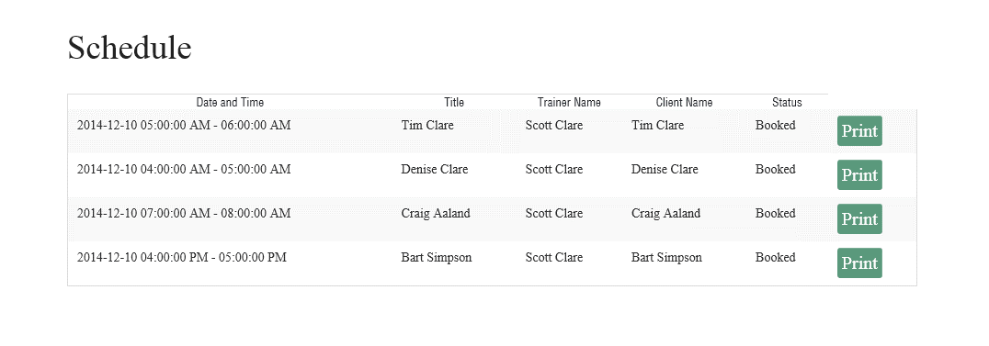 Printing the day's workouts: When we are printing all of the workouts for the day the workouts are coming up out of order from the calendar. Also, some sessions that were deleted from the calendar are showing up on the print page. Kindly see Ryan's video: http://screencast.com/t/OT2ByGxwQC | Done | NOT WORKING CORRECTLY: (see dates and times on grapic to the left) P.S. DATE FORMAT IS WRONG... At first I thought that when I printed my clients workouts on the day those workoutshat were supposed to occur, they printed in the correct order; and when I tried to work ahead and print workouts for the next week it had the clients out of order. BUT IT SEEMS TO BE RANDOMLY PUTTING WORKOUTS IN THE WRONG ORDER. SEE RYAN'S VIDEO: Might have something to do with the dates being out of order in session availabity. http://screencast.com/t/N0bMYWG2WJA It looks like the deleted workouts are not showing up on the print page any longer so that is good.
5 | When in edit workout the type of exercise data is being duplicated. Please see video; http://screencast.com/t/dzJ6MnYBtm | We are not able to replicate this issue..it is working fine. | Seems like it's working now but I'm leaving it on here to continue to watch it.
6 | Build and edit a workout is duplicating performance data and some navigation issues Ryan found. Probably related to issue 25. Please see video:http://www.screencast.com/t/fzqN0kyxDDJ | We have reviewed this point and found that in the same date having multiple workout then it will display the each workout along with column. Also, we have fixed the navigation issue. | This seems to be working correctly for me. Also see Craig's video for more info: http://screencast.com/t/dzJ6MnYBtm
7 | Manage Exercise > Choose a client > Exercise History: When I search for all of the past history for a given time period I can only see the last 5 workouts. Please see video: http://screencast.com/t/bzG4iDhdGd9T | Fixed | As per IM, we would like to be able to scroll 5 workouts at a time. Just like the calender function (with arrows)…and still be able to search via calender for particular date of a workout or a date range. PROBLEM: THE EXERCISE HISTORY IS NOT DEFAULTING TO THE LAST WORKOUT ANY LONGER. ALSO, IN THE SEARCH FUNCTION OF EXERCISE HISTORY, IF WE KEEP IT SCROLLING THE WAY IT IS CURRENTLY, THE EXERCISE FIELD NEEDS TO SCROLL WITH THE WORKOUTS. PLEASE SEE VIDEO: http://screencast.com/t/thHbIrnbICNb
8 | We need the session availability to show when we hit a red appointment and build a workout on the screen. It needs to default to that day and time from the appointment we clicked on. Please see video: http://screencast.com/t/z9AR8BZe | We have reviewed and we found that it has been new enhancement therefore, we required additional effort on the same.
11 | When I view a workout that is posted to edit it doesn't show any performance data that is plugged in the core section | Fixed | This seems to be working correctly.Ryan said this is not working. Please see his video: http://www.screencast.com/t/0CFoXOLR
12 | After posting a workout to the calendar you have to go home before you can go back to the calendar | Need to discuss over IM with client | Please see video: http://www.screencast.com/t/fzqN0kyxDDJ
13 | it seems to me that when you print the daily schedule their are too many steps and not an easy way back to print the next session | Need to discuss over IM with client | Please see video: http://www.screencast.com/t/lGvKvc8e
15 | When you build then post a workout to the calendar it shows in reverse order to the way it was built until it is printed then it puts and prints it right. I don't know yet how that will look in history. | Done | I think this is working correctly. This is not done...This issue is the same as issue 1
16 | The time stamp on available sessions is in military time not am pm. Under Build a workout, Session Availability dates reads: 2014-11-24 07:00:00 -2014-11-24 08:00:00. ALL areas should use the following format: 11/24/2014 7:00 -8:00 am (or pm). | Done | It is not done. In save workout > Assign Workout > Session Availability: the date format is incorrect.
 | In Save Workout > Assign Workout > Session Availablity: The date and times are out of order
 | In Exercise History > Repeat Workout > Session Availibilty: The date and time are out of order.
 | On Calendar > Click on green Session > View Workout > Edit Workout > Session Availablity: Time and date are out of order
17 | When printed the url info and print button show also our logo don't know if that will change when trainer puts in on logo. Also it prints to large. | Done | I think this is working correctly however the logo I have downloaded is now to small. It is not printing correctly, see video: http://screencast.com/t/E5qXfm2u
20 | I can't book a client to a negative session. Nor can I book a FA or sales meeting or anything else for that matter. | It is working fine and shows the alert message to purchase the session data. | We need to IM over this. I think Ryan wants to be able to book a client that has not paid and has not had his sessions inputed into our system yet.
21 | When a session gets changed after a workout is posted to it the only way we have is to cancel it and then rebook it and rebuild the workout. How about we have the ability to click, drag and drpop and move it with all attached information and workout. | Need to discuss over IM with client | Why can't we book another session for the client then reassign the old time slot/workout to the new session. Please see video: http://www.screencast.com/t/oPPczzZz5Ih
22 | when a mistakenly placed then deleted session is done the calendar removes the session but when you go to post a workout to that day the deleted session is still available to book to and of course i booked it and it showed up again when I went to print the days schedule. | Done | NOT DONE YET...I booked some sesssions then deleted them. Then booked another one. Then it built a workout for the session and posted it to the calendar. Then I went to the calendar and clicked the the same green session. Then clicked on view workout which brought me to edit workout. Outcome: When I clicked on session availabity in edit workout all of the sessions I had deleted earlier showed up. Please se video: http://screencast.com/t/e0H81ugJ6
23 | Need to be able to schedule in 15 min increments. | As discussed over IM, we need additional efforts.
24 | We are having some problems with deleted workout still showing up when we go to print the days sessions. They appartly are showing up twice and also when they are deleted from the calendar they are still showing up when we go to print the workouts. Please see video: http://www.screencast.com/t/9tfARLtMd6R2 | Done | APPEARS TO BE WORKING CORRECTLY
26 | Was in explorer: Started in exercise history > selected client > edit workout: went ahead a made some edits then saved the new workout. Then clicked on save workout named it and named the workout category. Outcome: I couldn't get the availablity drop down to function and when I went to view workout it had an accumulation of several exercises that I had not put in. http://screencast.com/t/irsjLBixZr1e | We are working on it
28 | When you go to edit a workout and click on the alerts field then backspace you get kicked off the popup and lose your work. Please see video:http://screencast.com/t/ClAGBvyM | We have made the “Alert” fields read-only in order to protect it from editing, when you use the backspace with the read-only fields, it will logically go back to the previous steps. | OK

